Test Data Report
SALES MANAGEMENT | BKE STT UNC_TRADE - HQOW + ROW
TEST Data 1 (OLD) | Region – 1 Hoi Chin Minh
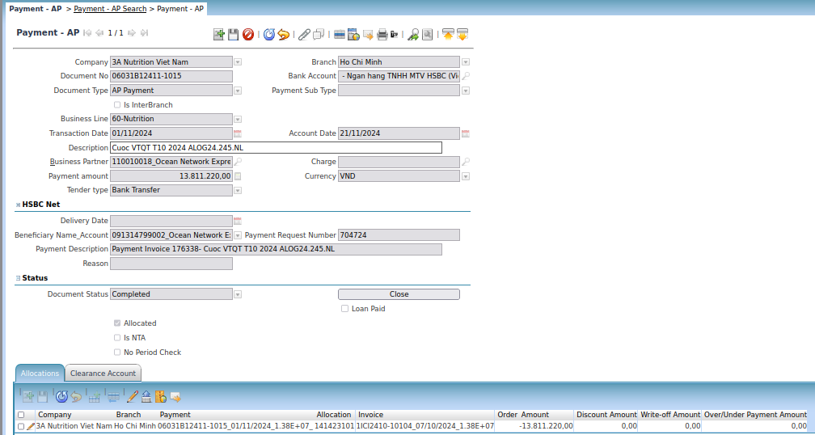

Document No | Trx Date | Account Date | Function | Bank Account | Currency | Payment Amt | Doc Status
06031B12411-1020 | 06/11/2024 | 02/12/2024 | Payment AP | - Ngan hang TNHH MTV HSBC (Viet Nam) - 090308388001 | VND | 26,849,954.0 | Completed
06031B12411-1015 | 01/11/2024 | 21/11/2024 | Payment AP | - Ngan hang TNHH MTV HSBC (Viet Nam) - 090308388001 | VND | 13,811,220.0 | Completed
06031B12411-1016 | 01/11/2024 | 11/11/2024 | Payment AP | - Ngan hang TNHH MTV HSBC (Viet Nam) - 090308388001 | VND | 54,890,320.0 | Completed
06031B12411-1017 | 01/11/2024 | 06/11/2024 | Payment AP | - Ngan hang TNHH MTV HSBC (Viet Nam) - 090308388001 | VND | 70,329,600.0 | Completed
06031B12411-1018 | 01/11/2024 | 20/11/2024 | Payment AP | - Ngan hang TNHH MTV HSBC (Viet Nam) - 090308388001 | VND | 31,273,880.0 | Completed
06031B12411-1031 | 14/11/2024 | 14/11/2024 | Payment AP | - Ngan hang TNHH MTV HSBC (Viet Nam) - 090308388001 | VND | 400,053,665.0 | Completed
06031B12411-1032 | 14/11/2024 | 14/11/2024 | Payment AP | - Ngan hang TNHH MTV HSBC (Viet Nam) - 090308388001 | VND | 16,786,656.0 | Completed
06031B12411-1028 | 07/11/2024 | 07/11/2024 | Payment AP | - Ngan hang TNHH MTV HSBC (Viet Nam) - 090308388001 | VND | 0.0 | Voided
06031B12411-1030 | 12/11/2024 | 12/11/2024 | Payment AP | - Ngan hang TNHH MTV HSBC (Viet Nam) - 090308388001 | VND | 804,775,511.0 | Completed
06031B12411-1029 | 08/11/2024 | 08/11/2024 | Payment AP | - Ngan hang TNHH MTV HSBC (Viet Nam) - 090308388001 | VND | 845,544,354.0 | Completed

SALES MANAGEMENT | BKE STT UNC_TRADE - HQOW + ROW
TEST Data 2 (NEW) | Region – 1 Hoi Chin Minh
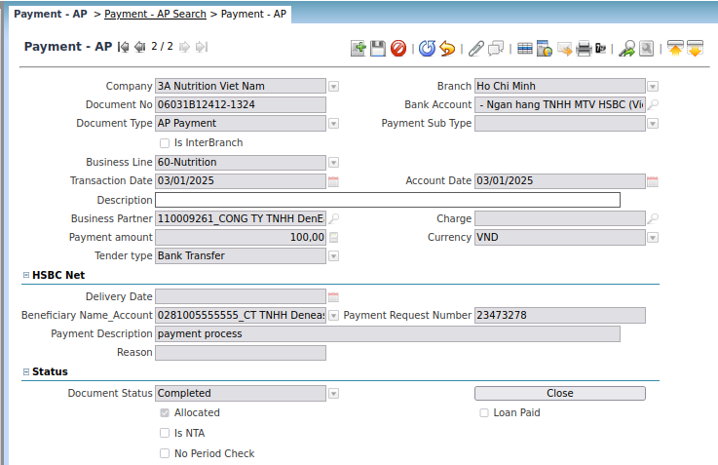

Document No | Trx Date | Account Date | Function | Bank Account | Currency | Payment Amt | Doc Status
06031B12412-1324 | 03/01/2025 | 03/01/2025 | Payment AP | - Ngan hang TNHH MTV HSBC (Viet Nam) - 090308388001 | VND | 100.0 | Completed

SALES MANAGEMENT | INVOICE DETAIL & MARGIN - HQOW + ROW
TEST Data 1 (OLD) | Region – 1 Hoi Chin Minh
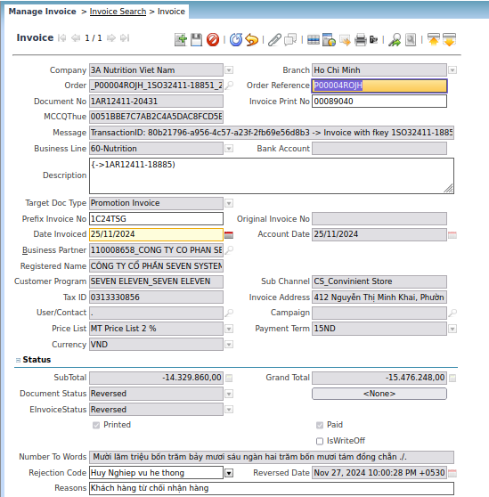
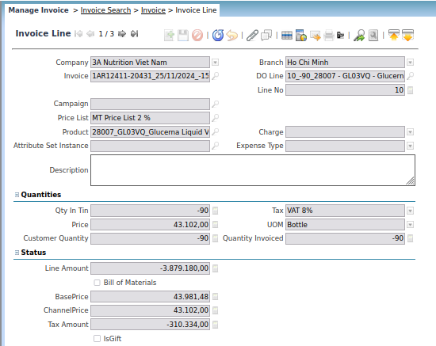

Invoice | Doc Type | Date Invoiced | Invoice Line | Product | Tax | Unit Price | Campaign | Currency | Doc Status | Grand Total | Paid | Sales Transaction | Invoiced
1AR12411-20431 - 25/11/2024 - -15,476,248.00 | Promotion Invoice | 25/11/2024 | 1AR12411-20431 - 25/11/2024 - -15,476,248.00 - 10 - -3,879,180.00 | 28007 - GL03VQ - Glucerna Liquid Vanilla 220ml | VAT 8% | 43,102.0 |  | VND | Reversed | -15,476,248.0 | true | true | -90
1AR12411-20431 - 25/11/2024 - -15,476,248.00 | Promotion Invoice | 25/11/2024 | 1AR12411-20431 - 25/11/2024 - -15,476,248.00 - 20 - -6,228,480.00 | 79006 - EN01VQ - Ensure Gold 237ml | VAT 8% | 51,904.0 |  | VND | Reversed | -15,476,248.0 | true | true | -120
1AR12411-20431 - 25/11/2024 - -15,476,248.00 | Promotion Invoice | 25/11/2024 | 1AR12411-20431 - 25/11/2024 - -15,476,248.00 - 30 - -4,222,200.00 | 65002 - EN00VQ - Ensure Liquid Vanilla 237ml | VAT 8% | 35,185.0 |  | VND | Reversed | -15,476,248.0 | true | true | -120
1AR12411-20432 - 25/11/2024 - -15,846,710.00 | Promotion Invoice | 25/11/2024 | 1AR12411-20432 - 25/11/2024 - -15,846,710.00 - 10 - -8,444,400.00 | 65002 - EN00VQ - Ensure Liquid Vanilla 237ml | VAT 8% | 35,185.0 |  | VND | Reversed | -15,846,710.0 | true | true | -240
1AR12411-20432 - 25/11/2024 - -15,846,710.00 | Promotion Invoice | 25/11/2024 | 1AR12411-20432 - 25/11/2024 - -15,846,710.00 - 20 - -6,228,480.00 | 79006 - EN01VQ - Ensure Gold 237ml | VAT 8% | 51,904.0 |  | VND | Reversed | -15,846,710.0 | true | true | -120
1AR12411-17878 - 14/11/2024 - -4,363,561.00 | Promotion Invoice | 14/11/2024 | 1AR12411-17878 - 14/11/2024 - -4,363,561.00 - 10 - -2,712,501.00 | 35027 - PQ03VS - Pediasure vanilla 110ml | VAT 8% | 18,836.81 |  | VND | Reversed | -4,363,561.0 | true | true | -144
1AR12411-17878 - 14/11/2024 - -4,363,561.00 | Promotion Invoice | 14/11/2024 | 1AR12411-17878 - 14/11/2024 - -4,363,561.00 - 20 - -1,327,833.00 | 35026 - PQ03VM - Pediasure vanilla 180ml | VAT 8% | 27,663.19 |  | VND | Reversed | -4,363,561.0 | true | true | -48
1AR12411-20947 - 25/11/2024 - -3,736,012.00 | Promotion Invoice | 25/11/2024 | 1AR12411-20947 - 25/11/2024 - -3,736,012.00 - 10 - -3,459,270.00 | 51021 - SO01VS - Similac 0+ 380g | VAT 8% | 247,090.74 |  | VND | Reversed | -3,736,012.0 | true | true | -14
1AR12411-11249 - 05/11/2024 - 6,125,163.00 | Promotion Invoice | 05/11/2024 | 1AR12411-11249 - 05/11/2024 - 6,125,163.00 - 1 - -3,300.00 |  | VAT 8% | -3,300.0 | 3MLTCLP58524P001 - 1045320 | VND | Reversed | 6,125,163.0 | true | true | 1

SALES MANAGEMENT | INVOICE DETAIL & MARGIN - HQOW + ROW
TEST Data 2 (NEW) | Region – 1 Hoi Chin Minh
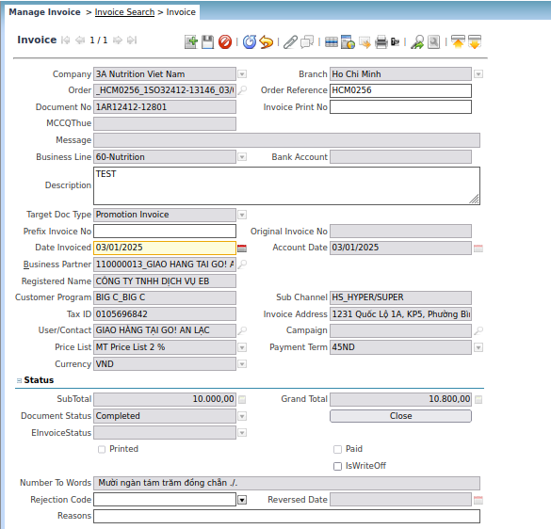
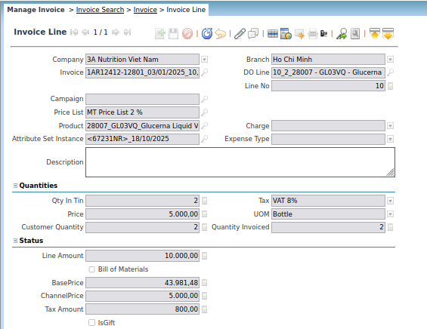

TEST Data 2 (NEW)

1AR12412-12801 - 03/01/2025 – 10,800.00 | Promotion Invoice | 03/01/2025 | 1AR12412-12801 - 03/01/2025 - 10,800.00 - 10 - 10,000.00 | 28007 - GL03VQ - Glucerna Liquid Vanilla 220ml | VAT 8% | 5,000.0 |  | VND | Completed | 10,800.0 | false | true | 2

SALES MANAGEMENT | INVOICE DETAIL & MARGIN - HQOW + ROW
TEST Data 3 (NEW) | Region – 4 Nha Trang
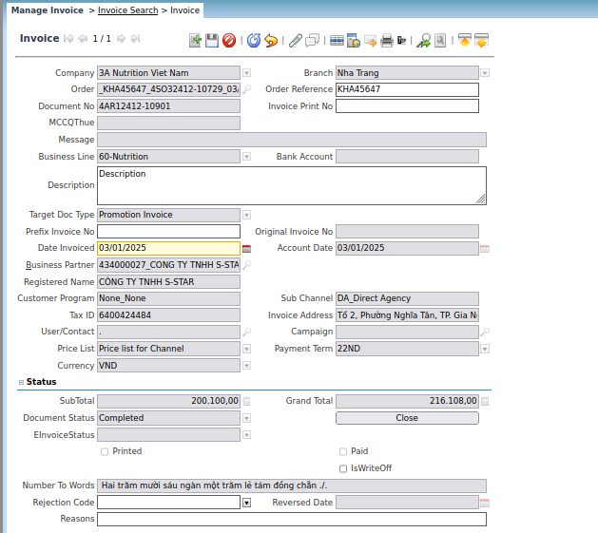
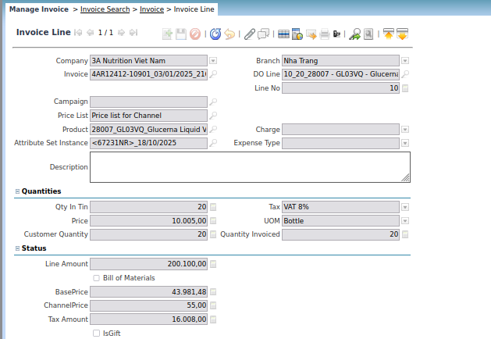

4AR12412-10901 - 03/01/2025 - 216,108.00 | Promotion Invoice | 03/01/2025 | 4AR12412-10901 - 03/01/2025 - 216,108.00 - 10 - 200,100.00 | 28007 - GL03VQ - Glucerna Liquid Vanilla 220ml | VAT 8% | 10,005.0 |  | VND | Completed | 216,108.0 | false | true | 20

SALES MANAGEMENT | INVOICE DETAIL & MARGIN - HQOW + ROW
TEST Data 3 (OLD) | HQOW

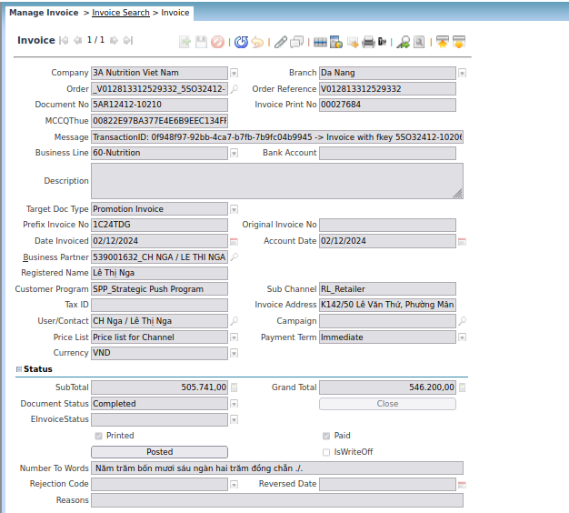
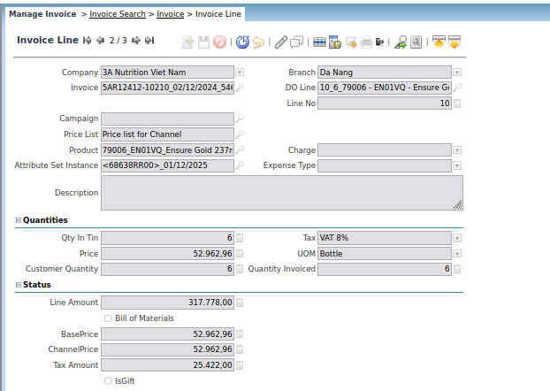

Invoice | Doc Type | Date Invoiced | Invoice Line | Product | Tax | Unit Price | Campaign | Currency | Doc Status | Grand Total | Paid | Sales Transaction | Invoiced
1NAR2411-10106 - 26/11/2024 - 1,953,004.00 | NTA AR Invoice | 26/11/2024 | 1NAR2411-10106 - 26/11/2024 - 1,953,004.00 - 1 - 1,458,337.00 |  | VAT 8% | 2,314.82 |  | VND | Completed | 1,953,004.0 | true | true | 0
1NAR2411-10106 - 26/11/2024 - 1,953,004.00 | NTA AR Invoice | 26/11/2024 | 1NAR2411-10106 - 26/11/2024 - 1,953,004.00 - 1 - 350,000.00 |  | VAT 8% | 8,333.33 |  | VND | Completed | 1,953,004.0 | true | true | 0
5AR12412-10210 - 02/12/2024 - 546,200.00 | Promotion Invoice | 02/12/2024 | 5AR12412-10210 - 02/12/2024 - 546,200.00 - 1 - -23,148.00 |  | VAT 8% | -23,148.15 | 3MLTOT60304P004 - 1054264 | VND | Completed | 546,200.0 | true | true | 0
5AR12412-10210 - 02/12/2024 - 546,200.00 | Promotion Invoice | 02/12/2024 | 5AR12412-10210 - 02/12/2024 - 546,200.00 - 10 - 317,778.00 | 79006 - EN01VQ - Ensure Gold 237ml | VAT 8% | 52,962.96 |  | VND | Completed | 546,200.0 | true | true | 6
5AR12412-10210 - 02/12/2024 - 546,200.00 | Promotion Invoice | 02/12/2024 | 5AR12412-10210 - 02/12/2024 - 546,200.00 - 20 - 211,111.00 | 65002 - EN00VQ - Ensure Liquid Vanilla 237ml | VAT 8% | 35,185.19 |  | VND | Completed | 546,200.0 | true | true | 6
5AR12412-10208 - 02/12/2024 - 1.17E+07 | Promotion Invoice | 02/12/2024 | 5AR12412-10208 - 02/12/2024 - 1.17E+07 - 10 - 1.08E+07 | 30012 - PR02VS - Prosure Vanilla 380g | VAT 8% | 451,851.85 |  | VND | Completed | 11,712,000.0 | false | true | 24
5AR12412-10206 - 02/12/2024 - 3.16E+07 | Promotion Invoice | 02/12/2024 | 5AR12412-10206 - 02/12/2024 - 3.16E+07 - 10 - 2.92E+07 | 19077 - SO17VM - Similac 1+ 850g | VAT 8% | 487,272.73 |  | VND | Completed | 31,575,273.0 | false | true | 60
5AR12412-10207 - 02/12/2024 - 1.17E+07 | Promotion Invoice | 02/12/2024 | 5AR12412-10207 - 02/12/2024 - 1.17E+07 - 10 - 1.08E+07 | 80113 - 11S15QS - 11 Similac Vanilla 110ml + 01 Similac Vanilla 110ml | VAT 8% | 134,953.72 |  | VND | Completed | 11,660,002.0 | false | true | 80
5AR12412-10209 - 02/12/2024 - 7,302,273.00 | Promotion Invoice | 02/12/2024 | 5AR12412-10209 - 02/12/2024 - 7,302,273.00 - 10 - 6,761,364.00 | 70174 - 1G64VMP - 01 Abbott Grow Gold 6+ Vanilla 850g + 01 Bike pillow | VAT 8% | 397,727.27 |  | VND | Completed | 7,302,273.0 | false | true | 17
5AR12412-10211 - 02/12/2024 - 2,689,200.00 | Promotion Invoice | 02/12/2024 | 5AR12412-10211 - 02/12/2024 - 2,689,200.00 - 10 - 2,490,000.00 | 10030 - SM02VM - Similac Mom Vanilla 900g | VAT 8% | 415,000.0 |  | VND | Completed | 2,689,200.0 | false | true | 6

SALES MANAGEMENT | LIST OF COMMERCIAL DISCOUNT – HQOW + ROW
Test Data (NEW) | Region – 1 Hoi Chin Minh

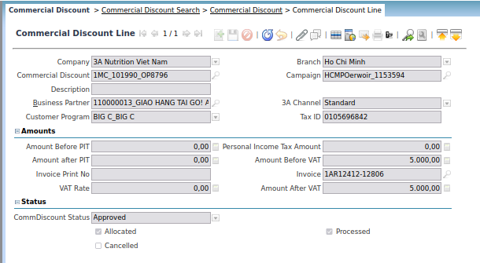

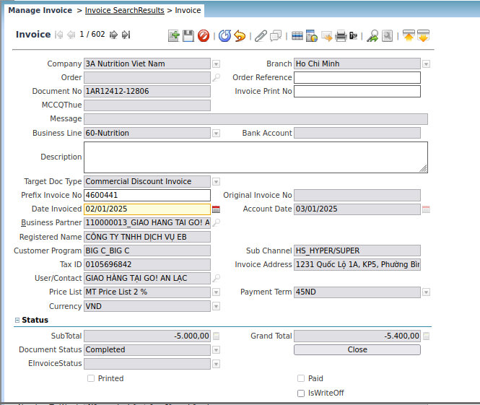

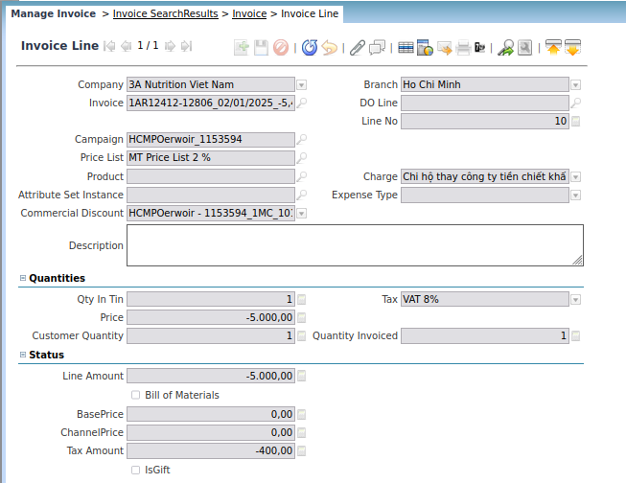

Branch | Inv Date | Inv No. | Campaign | Cust Code | Customer Name | Total Revenue | Discount | Net Revenue | Amt Before VAT | Doc Type
Ho Chi Minh | 02/01/2025 |  | 1153594-HCMPOerwoir | 110000013 | GIAO HANG TAI GO! AN LAC | 0.0 | 5,400.0 | -5,400.0 | 5,000.0 | Commercial Discount Invoice

SALES MANAGEMENT | PICKING LIST SUMMARY REPORT – ROW
Test Data (OLD) | Region – 1 Hoi Chin Minh

MASTER MANAGEMENT | MASTER CUSTOMER CHANGE LIST_ALL – ROW
Test Data (OLD) | Region – 1 Hoi Chin Minh

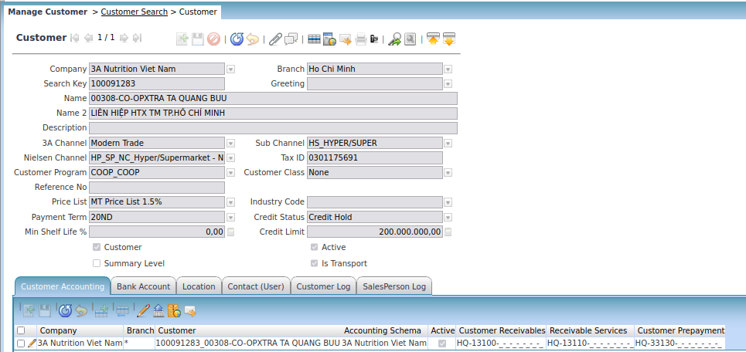

Customer Key | CustomerName | Tab | Column Name | Old Value | New Value | Status | Date Updated | Updated User
100091283 | 00308-CO-OPXTRA TA QUANG BUU | Partner Info | 3A Channel |  | Modern Trade | NEW | 31/10/2024 | System
100091283 | 00308-CO-OPXTRA TA QUANG BUU | Partner | Active |  | Yes | NEW | 31/10/2024 | System
100091283 | 00308-CO-OPXTRA TA QUANG BUU | Partner Info | CL Approval Level1 |  | 0,00 | NEW | 31/10/2024 | System
100091283 | 00308-CO-OPXTRA TA QUANG BUU | Partner Info | Contract No |  | COOPMART1 | NEW | 31/10/2024 | System
100091283 | 00308-CO-OPXTRA TA QUANG BUU | Partner Info | Credit Limit |  | 0,00 | NEW | 31/10/2024 | System
100091283 | 00308-CO-OPXTRA TA QUANG BUU | Partner Info | Credit Status |  | No Credit Check | NEW | 31/10/2024 | System
100091283 | 00308-CO-OPXTRA TA QUANG BUU | Partner Info | Customer Class |  | None | NEW | 31/10/2024 | System
100091283 | 00308-CO-OPXTRA TA QUANG BUU | Partner Info | Customer Program |  | COOP_COOP | NEW | 31/10/2024 | System
100091283 | 00308-CO-OPXTRA TA QUANG BUU | Partner Info | DeliveryRegDate |  | 1 | NEW | 31/10/2024 | System

MASTER MANAGEMENT | MASTER CUSTOMER CHANGE LIST_ALL – ROW
Test Data (NEW) | Region – 1 Hoi Chin Minh
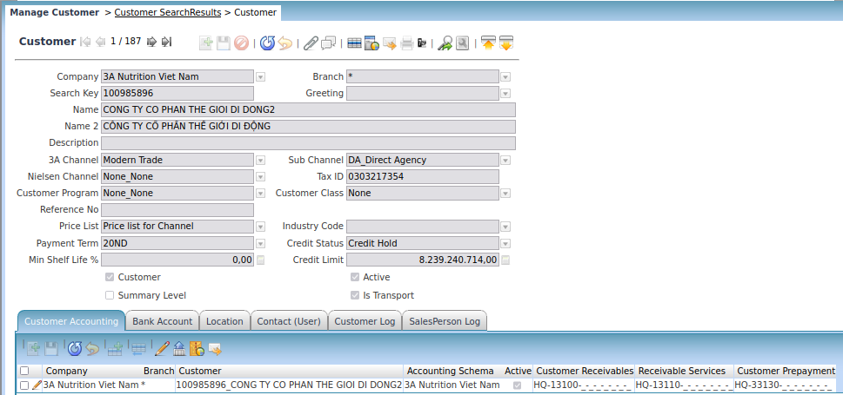

Customer Key | CustomerName | Tab | Column Name | Old Value | New Value | Status | Date Updated | Updated User
100985896 | CONG TY CO PHAN THE GIOI DI DONG2 | Partner Info | CL Approval Level1 |  | 8.239.240.717,00 | NEW | 03/01/2025 | System
100985896 | CONG TY CO PHAN THE GIOI DI DONG2 | Partner Info | Credit Status |  | Credit Hold | NEW | 03/01/2025 | System
100985896 | CONG TY CO PHAN THE GIOI DI DONG2 | Partner Info | Credit Limit |  | 8.239.240.714,00 | NEW | 03/01/2025 | System

MASTER MANAGEMENT | MASTER CUSTOMER CHANGE LIST_DIRECT – ROW
Test Data (OLD) | Region – 1 Hoi Chin Minh

MASTER MANAGEMENT | MASTER CUSTOMER CHANGE LIST_INDIRECT – ROW
Test Data (OLD) | Region – 1 Hoi Chin Minh

MASTER MANAGEMENT | MASTER CUSTOMER LIST_ALL – ROW
Test Data (OLD) | Region – 1 Hoi Chin Minh

